1. Title Page
Grocery Basket Analysis

Project Name: Instacart Grocery Basket Analysis
Date: 10/22/23
Analyst Name: Robert Davies

Contents:
Population Flow
Consistency checks
Wrangling steps
Column derivations
Visualizations
Recommendations

Data Source
“The Instacart Online Grocery Shopping Dataset 2017”, Accessed from www.instacart.com/datasets/grocery-shopping-2017 via Kaggle on 7/31/2023.
Prices data from products data file and customer information from customers data file created for training purposes and does not contain PII.

2. Population Flow
Title page

Population flow

Exclusion flag
Condition: max_order < 5
Observations to be removed: 1,440,295
Final total count of order_products_all: 30,964,564

Orders_products_combined
Orders_products_merged
Orders_products_all

Total: 32,404,859
Total: 32,434,489
Total: 32,404,859

1.) The grey boxes in the first row of the population flow represent the original data sets as they were when you downloaded them. In the Total fields you need to add the count of the rows when you imported the data set into Jupyter.
2.) The second row of boxes (coloured) represents the data sets after you manipulated them, e.g., removed missing values and duplicates. In the Total fields you need to add the count of the rows after conducting these operations. This offers a visual oveview of how the data flows throughout the data consistency checks.
3.) The third row, where also the arrows are coloured, represents the merges you performed between the datasets. In the Total fields you need to add the count of the rows in the merged datasets, so that you end up with the final dataset (in the red box). Keep in mind the final dataset should be without exclusions (based on the exclusion flag).

3. Consistency checks
 |  |  |  | Title page
Consistency checks

Dataset | Missing values | Missing values treatment | Duplicates
orders | 206,209 'days_since_prior_order' | Leave as these represent first orders | 0
products | 16 'product_name' | Remove | 5
orders_products_prior |  |  | 0
orders_products_combined | 5,127 records with 'prices' with outlier values (>$25) changed to missing values | Leave as missing values
customers | None |  | 0
orders_products_customers_merged | 2,076,096 'days_since_prior_order' | Leave as these represent first orders
orders_products_all | 1,661,283 'days_since_prior_order' | Leave as these represent first orders (revised with exclusion of low activity customers) | 0
orders_products_all | 4,877 records with 'prices' with outlier values (>$25) changed to missing values | Leave as missing values (revised with exclusion of low activity customers) | 0
crosstab_region | None
crosstab_department | None

4. Wrangling steps
 |  |  |  | Title page
Wrangling steps

Columns dropped | Columns renamed | Columns' type changed | Comment/Reason
'eval_set' from orders |  |  | No analytical value as all values 'prior'
 | 'order_dow' to 'orders_day_of_week' in orders |  | Greater clarity of values
 |  | 'order_id' from numbers to string in orders | Id numbers are keys and not real numeric values
 | 'First Name' to 'first_name' in customers |  | Format consistency
 | 'Surnam' to 'surname' in customers |  | Format consistency
 | 'Gender' to 'gender' in customers |  | Format consistency
 | 'STATE' to 'state' in customers |  | Format consistency
 | 'Age' to 'age' in customers |  | Format consistency
 | 'n_dependants' to 'number_of dependents' in customers |  | Greater clarity of values
 |  | 'user_id' from numbers to string | Id numbers are keys and not real numeric values

5. Column derivations
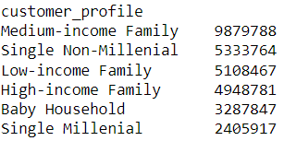
 |  |  |  |  | Title page

Column derivations and aggregations

In this tab you should add tables below that the frequences of flags/label variables that you produced after deriving them. NB: don't do this for continuous variables, only for flags.
Dataset | New column | Column/s it was derived from | Conditions
order | customer_status | order_number | If order_number = 1, customer is new, otherwise existing
products | price_range | price | If price <= 5, 'low-range product'; if price >5 and <=15, 'mid-range product'; if price >15, 'high-range product'
orders_products_merged | busiest_days | orders_day_of_week | If orders_day_of_week = 0 or 1, 'busy day', if orders_day_of_week = 3 or 4, 'slow day', otherwise 'regular day'
orders_products_merged | busiest_period_of_day | order_hour_of_day | If order_hour_of_day >= 9 and <=17, 'most orders', if order_hour_of_day >=20 and <9, 'slow day', otherwise 'average orders' | price_range frequences
orders_products_merged | max_order | order_number, user_id | Maximum order number grouped by user_id
orders_products_merged | loyalty_flag | max_order | If max (order_number) >40, 'Loyal customer', if max (order_number) >10 and <=40, 'Regular customer', if max(order_number) <10, 'New customer'
orders_products_merged | average_product_price | prices, user_id | Average product price grouped by user_id
orders_products_merged | spending_flag | average_product_price | If average_product_price <10, 'Low spender', if average_product_price >=10, 'High spender'
orders_products_merged | median_days_since_prior_order | days_since_prior_order | Median days since prior order grouped by user_id
orders_products_merged | order_frequency_flag | median_days_since_prior_order | If median_days_since_prior_order >20, 'Non-frequent customer', if median_days_since_prior_order >10 and <=20, 'Regular customer', If median_days_since_prior_order <= 10, 'Frequent customer'
orders_products_customers_merged | region | state | States organized by region per Wikipedia "List of Regions of the United States" | busiest_days frequences
orders_products_customers_merged | low_activity_exclusion_flag | max_order | If max (order_number) <5, 'Low activity customer', if max (order_number) >=5 , 'Regular activity customer'
orders_products_all | baby_product | department_id | 1 if purchase is in babies department, 0 if not. Quantifying baby product purchases enables analysis of total purchases from this department.
orders_products_all | total_baby_product_orders | baby_product | Sum of baby_product orders grouped by user_id
orders_products_all | customer_profile | age, income, number_of_dependents, total_baby_product_orders | Single Millenial: number_of_dependents = 0, age <=37; Single Non-Millenial: number_of_dependents = 0, age>37; Baby Household = total_baby_product_orders >=10; High-income families: number_of_dependents > 0, income > 128,000; Medium-income families: number_of_dependents > 0, income <= 128,000 & >=67,000; Low-income families: number_of_dependents > 0, income < 67,000
 |  |  |  | busiest_period_of_day frequences

 |  |  |  | loyalty_flag frequences

 |  |  |  | spending_flag frequences

 |  |  |  | order_frequences_flag frequences

 |  |  |  | low_activity_exclusion_flag frequences

 |  |  |  | region frequences
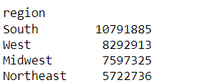

 |  |  |  | baby_product frequences

 |  |  |  | customer_profile frequences

6. Visualizations
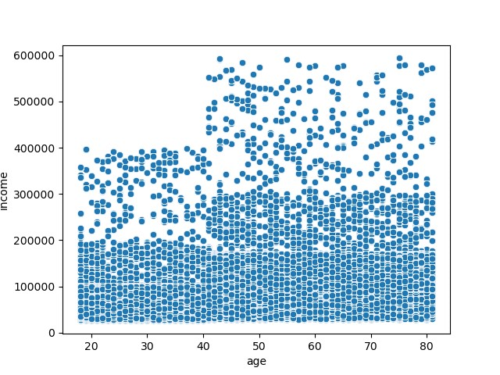
 |  | Title page

Visualizations

In this tab you should include all the visualizations from Exercises 4.9 and 4.10, alongside the questions from the project brief that they answer. Include any commentary on the relationship between different variables.

Orders by Day of the Week | Orders by Hour of the Day |  | Orders by Customer Profile
- The weekend is the most popular time for orders with Saturday and Sunday the | - The histogram shows that orders have a normal distribution with a slight left skew |  | - Medium-income families have the most orders in the Instacart database
days of the week with the most orders | in terms of time of day |  | - Single millenials have the fewest out of all the customer profile categories
- Tuesday and Wednesday are the least busy days of the week for orders | - The busiest hours of the day are from 9am to 5pm
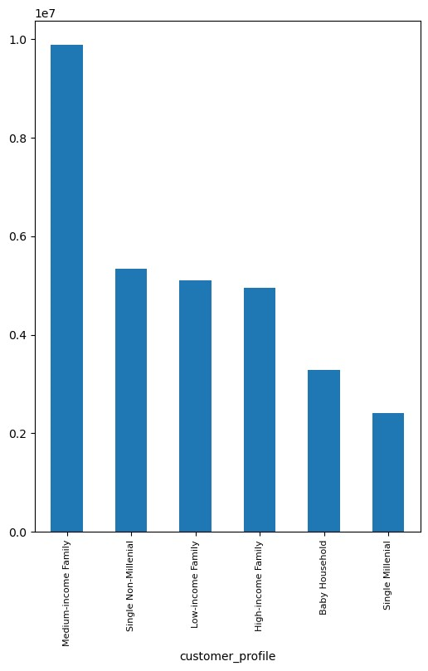
 | - Before 9am orders generally increase in the immediate preceding hours, whereas
 | after 5pm they steadily decrease each hour until the end of the day
 | - The quietest time of day for orders is in the early morning hours around 1-5am



Histogram of Prices | Orders by Loyalty Flag |  | Regional Percentage of Orders by Customer Profile
- The histogram shows that the prices of products ordered are right-skewed | - Regular customers represent about half of total orders |  | - There are very minimal differences in mix of customer profile across regions
- Prices are heavily concentrated in the $1-$15 price range, with minimal orders | - Loyal customers about a third, and the rest are from new customers. |  | - There is virtually an identical percentage of usage frequency from each customer profile in each region
in the $15-25 range
- The most common product prices appear to be in the $3-8 range
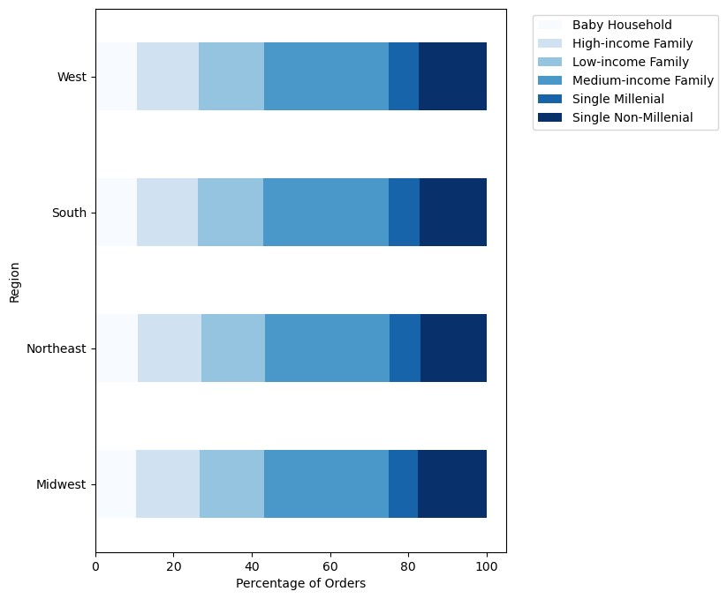

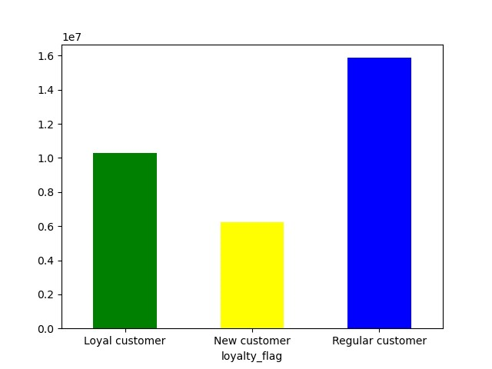

Prices Scatterplot | Prices by Hour of the Day |  | Percentage of Orders in each Department by Customer Profile
- Validation that price outliers >$25 have been replaced by missing values | - There is not much difference in expenditure depending on the time of day |  | - As expected, customers in baby households have a much higher proprtion of their total orders
in the dataset as they seem too high for grocery products and some were >$100 | - There is marginally higher expenditure in very early morning orders with slightly lower |  | in the babies department, 8% compared to less than 2% for all other customer profiles.
 | expenditure in orders around 9-10am, but the variation is small. |  | - Baby households have less than 6% of their total orders in the beverage department compared
 |  |  | to over 8% for all other customer profiles
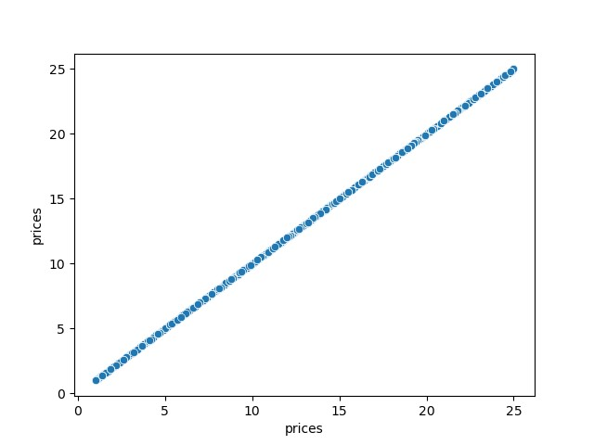
 |  |  | - Low-income families have a higher mix of spend in the snacks department in particular and,
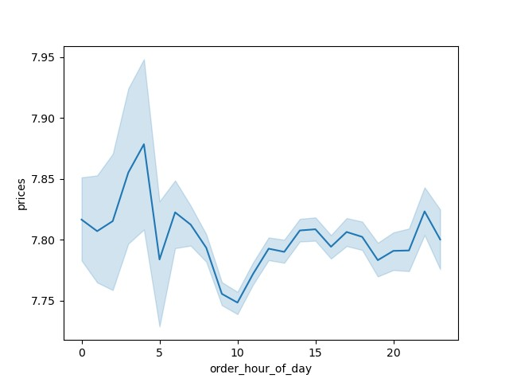
 |  |  | to a lesser extent, in the beverages department
 |  |  | - The offset is a lower mix of orders in the produce, bakery, and dairy eggs departments
 |  |  | for low-income families
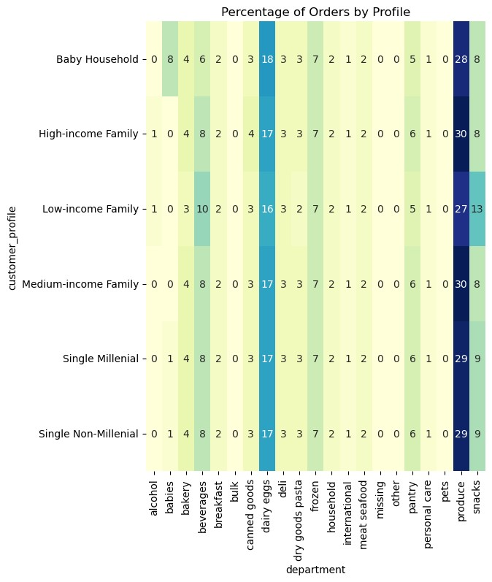

Number of Dependents by Age | Income by Age
- The average number of dependents does not vary too much with age, remaining | - The vast majority of customers have income under 200k dollars
within a range of 1.44 to 1.58 on average | - The highest income levels are among older people, with nobody under 40 with income >$400k
- The number tends to be on average a little lower at younger and older ages, with slightly | - There are many customers between 40 and 80 with income above $400k
higher averages for people aged 30 to early 50's, which is as expected as these are the | - However, within that older age group there doesn't seem to be much of a relationship between
prime income-earning years when a person is likely to have more family dependents. | age and income
 | - The income observations are very similar from ages 40 to 80. There are perhaps slightly more

 | high income observations in the 40-50 age range than at higher age levels

7. Recommendations
 | Title page

Recommendations

In this tab you should include any recommendations you would made to Instcart in terms of their marketing strategy based on the questions posed in the brief. Every key question has been covered in the Tasks of the Exercises - here you need to add an item - a visualisation or table/crosstable that is showing the answer in the data, acompanied by a comment from you. Please, list the questions below and add the answer underneath.

Key Question 1
The sales team needs to know what the busiest days of the week and hours of the day are
Answer

As the sales team is looking to schedule ads at times when there are fewer orders, they should focus on Tuesday and Wednesday and/or time of day from 5pm - 8am.

Key Question 2
The sales team also want to know whether there are particular times of the day when people spend the most money
Answer

Although there is very little difference in average expenditure across time of day, the peak times of day for expenditure are late at night/early morning, from about
10pm-6am. This may be the best time for the sales team to advertise the type of products that could generate higher sales.

Key Question 3
Are there certain types of products that are more popular than others?
Answer
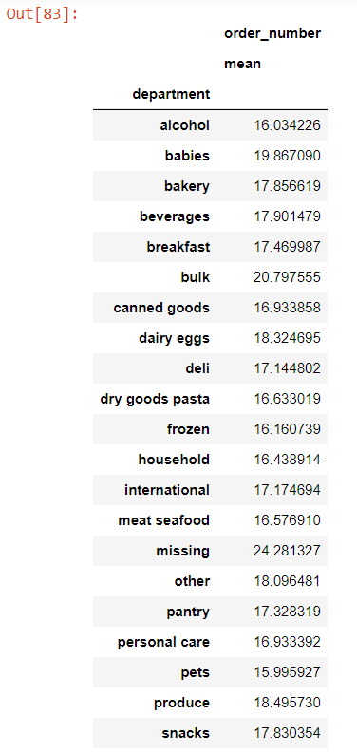

The marketing and sales teams should note that the bulk and babies departments have the highest frequency of product orders (excluding products missing department)
based on average (mean) orders by department. The least popular departments are pets and alcohol. There may be marketing opportunities to increase order frequency in the
lesser used departments.

Key Question 4
What’s the distribution among users in regards to their brand loyalty (i.e., how often do they return to Instacart)?
Answer

Regular customers represent about half of total orders. Loyal customers, defined as those with over 40 total orders, represent about a third, and the rest are from new customers,
defined as those with less than 10 total orders. This would be an intesresting metric to track over time to see if more regular customers can convert to loyal customers, for example.
Or to research new and regular customers to identify the factors that could convert them to loyal customers.

Key Question 5
Are there differences in ordering habits based on a customer’s loyalty status?
Answer

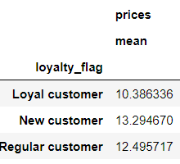
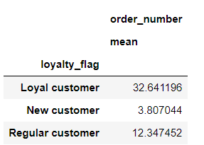

The mean product prices paid by Loyalty customers are somewhat lower than those paid by by New or Regular customers. New customers pay the highest average price per product.
As expected, loyalty customers have many more orders than other customer types, emphasizing the revenue opportunity for Instacart to be able to convert more regular and new
customers to become loyalty customers.

Key Question 6
Are there differences in ordering habits based on a customer’s region?
Answer
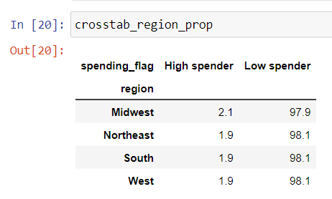

There is no meaningful difference in spending habits across regions. In each region, almost exactly 2% of total orders from customers in the region are from High Spenders.
The Midwest has the highest percentage of orders from High Spenders at 2.1%, and the other regions all have 1.9% of total orders from High Spenders.

Key Question 7
Is there a connection between age and family status in terms of ordering habits?
Answer

The average number of dependents does not vary too much with age, remaining within a range of 1.44 to 1.58 on average. The number tends to be on average a little lower at younger
and older ages, with slightly higher averages for people aged 30 to early 50's, which is as expected as these are the prime income-earning years when a person is likely to have more
family dependents.

Key Question 8
What different classifications does the demographic information suggest? Age? Income? Certain types of goods? Family status?
Answer

Exploratory data analysis suggested there would be value in identifying customers with dependents that frequently buy products from the babies department, as the assumption can
be made that they have a baby in the household and will frequently need to order baby products. They could be specifically targeted with offers relating to this department.

The rest of the customer base was divided into families, defined as other customers with dependents, and singles, since these groups would likely have different grocery purchasing
needs. For families, the customers were profiled additionally by income since there is evidence in the data that there are different purchase habits dependent on this variable.

For singles, the customer base was segmented by age. There are some offsetting impacts relating to age. The data suggest that there is some correlation between age and income,
indicating more spending capcity for older customers. However, industry research has shown that millenials are more likely to shop for groceries online. Single customers were
profiled based on whether they are millenials (under 38) or non-millenials.

Key Question 9
What differences can you find in ordering habits of different customer profiles?
Answer

Medium-income families have the most orders in the Instacart database, and single millenials have the fewest out of all the customer profile categories.

There are very minimal differences in mix of customer profile across regions. The horizontal bar chart shows here is virtually an identical percentage of usage frequency from each customer
profile in each region. This suggests that a uniform marketing approach could be used across regions with respect to different customer profiles since there isn't a region where a
particular profile has a higher importance from a larger weighting of orders.

As expected, customers in baby households have a much higher proprtion of their total orders in the babies department, 8% compared to less than 2% for all other customer profiles. This
confirms the opportunity to target baby products to this particular customer profile.

Low-income families have a higher mix of spend in the snacks department in particular and, to a lesser extent, in the beverages department. Marketing offers in these departments should
be particularly appealing to this customer profile.

The offset is a lower mix of orders in the produce, bakery, and dairy eggs departments for low-income families.

There are few differences in ordering habits by department for all singles and high- and medium- income families, indicating that there may not be a need to promote specific departments
with these customer profiles.

